Redis DB definitions
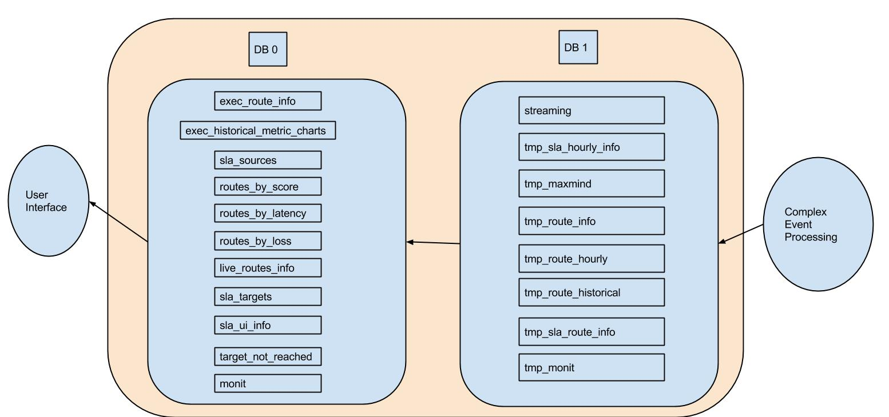
Redis | Description
DB 0 | All collections on DB 0 are interfaced directly by the User Interface. Please refer to the Diagrams(Exec DB Redis Dependancy, SLA Monitoring Redis depandancy, Live Routes Redis Dependancy, and View Routes Redis dependency) to see which specific collections are relevant to each page. All DB 0 Collections are populated by the Complex Event Processing(CEP) component. These collections are all dependent on collections from DB 1(the temporary/core functionality collections).
DB 1 | All collections on DB 1 are interfaced directly by CEP. These collections contain core information for CEP. These collections also aid in populating the UI facing collections on DB 0.

UI Redis Dependancies
